1 - quantity_age
First Registrations of used Passenger Cars in Poland, 2024 - 2025 PZPM based on data from Centralna Ewidencja Pojazdow

 | Jan | Feb | Mar | Apr | May | Jun | Jul | Aug | Sep | Oct | Nov | Dec | Total
2024 | 66,186 | 72,408 | 77,918 | 79,087 | 72,082 | 71,814 | 79,987 | 72,310 | 74,241 | 84,992 | 66,966 | 64,519 | 882,510
2025 | 69,287 | 69,649 | 77,652 |  |  |  |  |  |  |  |  |  | 216,588
%change y/y | 4.7% | -3.8% | -0.3% |  |  |  |  |  |  |  |  |  | 0.0%
First Registrations of Used PC in Poland 2024 - 2025
 | 2024 | 2025
Jan | 66186 | 69287
Feb | 72408 | 69649
Mar | 77918 | 77652
Apr | 79087
May | 72082
Jun | 71814
Jul | 79987
Aug | 72310
Sep | 74241
Oct | 84992
Nov | 66966
Dec | 64519
 |  |  |  |  |  |  |  |  | Age Structure Jan-Mar 2025
 |  |  |  |  |  |  |  |  | Age | Number of vehicles | Share %
 |  |  |  |  |  |  |  |  | <=4 years | 20,292 | 9.4%
 |  |  |  |  |  |  |  |  | >4 years & <=10 years | 74,833 | 34.6%
 |  |  |  |  |  |  |  |  | >10 years | 121,463 | 56.1%
 |  |  |  |  |  |  |  |  | Total | 216,588 | 100.0%
First Registrations of Used Vehicles in year 2025 - age structure

source: PZPM based on CEP

2 - EURO_fuel
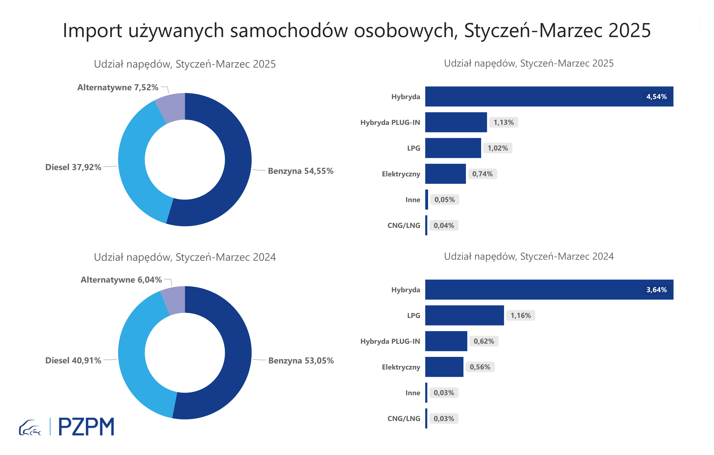

First Registrations of Used Passenger Cars by Fuel Type
Fuel Type | January-March 2024 |  | January-March 2025 |  | Volume Change y/y | Market Share Change y/y
 | thousand units | share % | thousand units | share %
Petrol | 114,9 | 53.1% | 118,2 | 54.6% | 2.9% | +1,5 pp
Diesel | 88,6 | 40.9% | 82,1 | 37.9% | -7.3% | -3,0 pp
AFV / Others | 13,1 | 6.0% | 16,3 | 7.5% | 24.7% | +1,5 pp
including:
Electric | 1.214 | 0.6% | 1.611 | 0.7% | 32.7% | +0,2 pp
Hybrid | 7.887 | 3.6% | 9.829 | 4.5% | 24.6% | +0,9 pp
Hybrid Plug-In | 1.336 | 0.6% | 2.447 | 1.1% | 83.2% | +0,5 pp
LPG | 2.503 | 1.2% | 2.213 | 1.0% | -11.6% | -0,1 pp
CNG/LNG | 0.065 | 0.0% | 0.081 | 0.0% | 24.6% | +0,0 pp
Others / N.A. | 0.066 | 0.0% | 0.113 | 0.1% | 71.2% | +0,0 pp

3 - TOP_brands
First registrations - used passenger cars imported to Poland - TOP 10 in 2025
First registrations of used passenger cars in Poland*
No.** | Make | January-March 2024 | January-March 2025 | Change % r/r
1 | VOLKSWAGEN | 21273 | 20642 | -3.0%
2 | FORD | 20693 | 20385 | -1.5%
3 | OPEL | 19799 | 19042 | -3.8%
4 | AUDI | 18025 | 16269 | -9.7%
5 | BMW | 13576 | 13462 | -0.8%
6 | MERCEDES-BENZ | 9868 | 10810 | 9.5%
7 | PEUGEOT | 10124 | 10338 | 2.1%
8 | HYUNDAI | 9017 | 10006 | 11.0%
9 | RENAULT | 10386 | 9392 | -9.6%
10 | TOYOTA | 8368 | 8363 | -0.1%
* source: PZPM based on CEP
** based on registrations in 2025

